4. Car
Model | Mazda 3 Sedan 1.5L Deluxe | https://oto.com.vn/bang-gia-xe-o-to-mazda-3-moi-nhat |  |  | Car depreciation over time
Listed Price (2024) | 579,000,000 ₫ | https://www.toyota.com.vn/tin-tuc/thong-tin-bo-tro/khau-hao-xe-o-to-35631 | Buy at the end of 2034, using car savings amount from 2033 and 2034
Vehicle registration tax | 28,950,000 ₫ |  |  |  | t | Year | Listed price
License plate | 20,000,000 ₫ |  | Inflation rate | 4% | 1 | 2025 | 541,365,000 ₫
Vehicle inspection fee | 340,000 ₫ |  | Depreciation (1-3 years) | 0.065 | 2 | 2026 | 506,176,275 ₫
Road maintenance fee (per year) | 1,560,000 ₫ |  | Depreciation (4-7 years) | 0.06 | 3 | 2027 | 473,274,817 ₫
Liability insurance | 437,000 ₫ |  | Depreciation (8-10 years) | 8% | 4 | 2028 | 444,878,328 ₫
Rolling price | 630,287,000 ₫ |  | Listed price (2034) | 287,732,085 ₫ | 5 | 2029 | 418,185,628 ₫
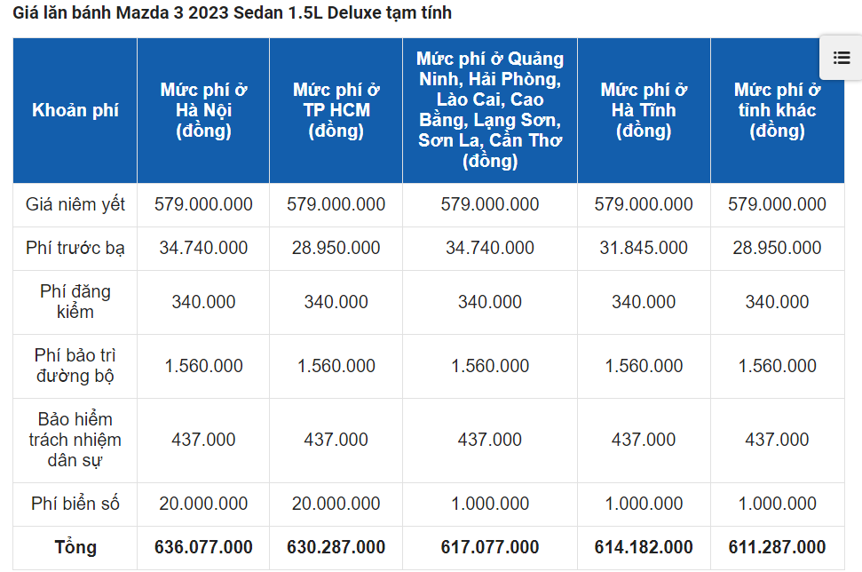
 |  |  | Vehicle registration tax (2034) | 30,108,000 ₫ | 6 | 2030 | 393,094,491 ₫
 |  |  | License plate (2034) | 20,800,000 ₫ | 7 | 2031 | 369,508,821 ₫
 |  |  | Vehicle inspection fee (2034) | 353,600 ₫ | 8 | 2032 | 339,948,116 ₫
 |  |  | Road maintenance fee (2034) | 1,622,400 ₫ | 9 | 2033 | 312,752,266 ₫
 |  |  | Liability insurance (2034) | 454,480 ₫ | 10 | 2034 | 287,732,085 ₫
 |  |  | Rolling price (2034) | 341,070,565 ₫

 |  |  | Savings per month | $20,512,430

5. Down payment savings
 | Current home price (2024) | 2,700,000,000 ₫ | Month | Monthly deposit | Interest | Ending balance
 | Future price (2032) | 6,366,458,766 ₫ | 1 | 22,867,024 ₫ | 93,507 ₫ | 22,960,532 ₫
 | Down payment | 1,909,937,630 ₫ | 2 | 22,867,024 ₫ | 187,397 ₫ | 46,014,953 ₫
https://portal.vietcombank.com.vn/Personal/lai-suat/Pages/lai-suat.aspx?devicechannel=default | Interest rate (VCB) | 4.80% | 3 | 22,867,024 ₫ | 281,671 ₫ | 69,163,648 ₫
 | EAR (monthly compound) | 4.91% | 4 | 22,867,024 ₫ | 376,330 ₫ | 92,407,003 ₫
 | Term (months) | 72 | 5 | 22,867,024 ₫ | 471,377 ₫ | 115,745,404 ₫
 |  |  | 6 | 22,867,024 ₫ | 566,812 ₫ | 139,179,240 ₫
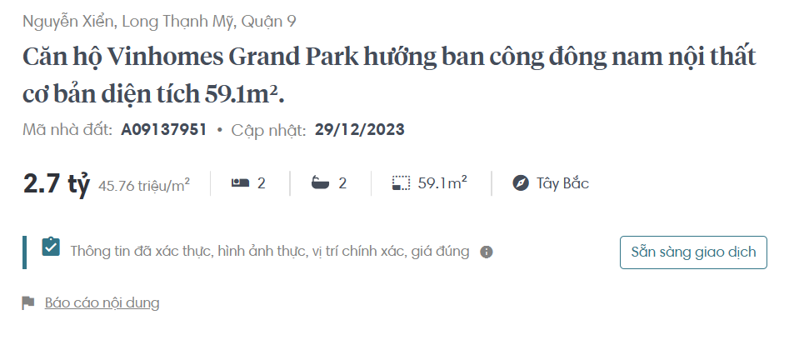
 |  |  | 7 | 22,867,024 ₫ | 662,637 ₫ | 162,708,901 ₫
 |  |  | 8 | 22,867,024 ₫ | 758,854 ₫ | 186,334,779 ₫
 |  |  | 9 | 22,867,024 ₫ | 855,465 ₫ | 210,057,268 ₫
 |  |  | 10 | 22,867,024 ₫ | 952,470 ₫ | 233,876,762 ₫
 |  |  | 11 | 22,867,024 ₫ | 1,049,873 ₫ | 257,793,659 ₫
 |  |  | 12 | 22,867,024 ₫ | 1,147,673 ₫ | 281,808,356 ₫
 |  |  | 13 | 22,867,024 ₫ | 1,245,874 ₫ | 305,921,254 ₫
 |  |  | 14 | 22,867,024 ₫ | 1,344,476 ₫ | 330,132,754 ₫
 |  |  | 15 | 22,867,024 ₫ | 1,443,481 ₫ | 354,443,259 ₫
 |  |  | 16 | 22,867,024 ₫ | 1,542,891 ₫ | 378,853,174 ₫
 |  |  | 17 | 22,867,024 ₫ | 1,642,708 ₫ | 403,362,906 ₫
 |  |  | 18 | 22,867,024 ₫ | 1,742,933 ₫ | 427,972,863 ₫
 |  |  | 19 | 22,867,024 ₫ | 1,843,567 ₫ | 452,683,455 ₫
 |  |  | 20 | 22,867,024 ₫ | 1,944,613 ₫ | 477,495,092 ₫
 |  |  | 21 | 22,867,024 ₫ | 2,046,073 ₫ | 502,408,189 ₫
 |  |  | 22 | 22,867,024 ₫ | 2,147,947 ₫ | 527,423,160 ₫
 |  |  | 23 | 22,867,024 ₫ | 2,250,238 ₫ | 552,540,422 ₫
 |  |  | 24 | 22,867,024 ₫ | 2,352,947 ₫ | 577,760,393 ₫
 |  |  | 25 | 22,867,024 ₫ | 2,456,076 ₫ | 603,083,493 ₫
 |  |  | 26 | 22,867,024 ₫ | 2,559,627 ₫ | 628,510,144 ₫
 |  |  | 27 | 22,867,024 ₫ | 2,663,601 ₫ | 654,040,769 ₫
 |  |  | 28 | 22,867,024 ₫ | 2,768,000 ₫ | 679,675,794 ₫
 |  |  | 29 | 22,867,024 ₫ | 2,872,827 ₫ | 705,415,645 ₫
 |  |  | 30 | 22,867,024 ₫ | 2,978,082 ₫ | 731,260,751 ₫
 |  |  | 31 | 22,867,024 ₫ | 3,083,767 ₫ | 757,211,542 ₫
 |  |  | 32 | 22,867,024 ₫ | 3,189,885 ₫ | 783,268,451 ₫
 |  |  | 33 | 22,867,024 ₫ | 3,296,436 ₫ | 809,431,912 ₫
 |  |  | 34 | 22,867,024 ₫ | 3,403,423 ₫ | 835,702,359 ₫
 |  |  | 35 | 22,867,024 ₫ | 3,510,848 ₫ | 862,080,232 ₫
 |  |  | 36 | 22,867,024 ₫ | 3,618,712 ₫ | 888,565,968 ₫
 |  |  | 37 | 22,867,024 ₫ | 3,727,017 ₫ | 915,160,009 ₫
 |  |  | 38 | 22,867,024 ₫ | 3,835,765 ₫ | 941,862,799 ₫
 |  |  | 39 | 22,867,024 ₫ | 3,944,958 ₫ | 968,674,780 ₫
 |  |  | 40 | 22,867,024 ₫ | 4,054,597 ₫ | 995,596,401 ₫
 |  |  | 41 | 22,867,024 ₫ | 4,164,684 ₫ | 1,022,628,110 ₫
 |  |  | 42 | 22,867,024 ₫ | 4,275,222 ₫ | 1,049,770,356 ₫
 |  |  | 43 | 22,867,024 ₫ | 4,386,212 ₫ | 1,077,023,592 ₫
 |  |  | 44 | 22,867,024 ₫ | 4,497,655 ₫ | 1,104,388,271 ₫
 |  |  | 45 | 22,867,024 ₫ | 4,609,554 ₫ | 1,131,864,849 ₫
 |  |  | 46 | 22,867,024 ₫ | 4,721,911 ₫ | 1,159,453,784 ₫
 |  |  | 47 | 22,867,024 ₫ | 4,834,727 ₫ | 1,187,155,536 ₫
 |  |  | 48 | 22,867,024 ₫ | 4,948,005 ₫ | 1,214,970,565 ₫
 |  |  | 49 | 22,867,024 ₫ | 5,061,746 ₫ | 1,242,899,335 ₫
 |  |  | 50 | 22,867,024 ₫ | 5,175,951 ₫ | 1,270,942,310 ₫
 |  |  | 51 | 22,867,024 ₫ | 5,290,624 ₫ | 1,299,099,959 ₫
 |  |  | 52 | 22,867,024 ₫ | 5,405,766 ₫ | 1,327,372,749 ₫
 |  |  | 53 | 22,867,024 ₫ | 5,521,379 ₫ | 1,355,761,152 ₫
 |  |  | 54 | 22,867,024 ₫ | 5,637,464 ₫ | 1,384,265,641 ₫
 |  |  | 55 | 22,867,024 ₫ | 5,754,024 ₫ | 1,412,886,689 ₫
 |  |  | 56 | 22,867,024 ₫ | 5,871,061 ₫ | 1,441,624,774 ₫
 |  |  | 57 | 22,867,024 ₫ | 5,988,576 ₫ | 1,470,480,375 ₫
 |  |  | 58 | 22,867,024 ₫ | 6,106,572 ₫ | 1,499,453,971 ₫
 |  |  | 59 | 22,867,024 ₫ | 6,225,051 ₫ | 1,528,546,046 ₫
 |  |  | 60 | 22,867,024 ₫ | 6,344,013 ₫ | 1,557,757,084 ₫
 |  |  | 61 | 22,867,024 ₫ | 6,463,463 ₫ | 1,587,087,570 ₫
 |  |  | 62 | 22,867,024 ₫ | 6,583,401 ₫ | 1,616,537,995 ₫
 |  |  | 63 | 22,867,024 ₫ | 6,703,829 ₫ | 1,646,108,848 ₫
 |  |  | 64 | 22,867,024 ₫ | 6,824,749 ₫ | 1,675,800,621 ₫
 |  |  | 65 | 22,867,024 ₫ | 6,946,164 ₫ | 1,705,613,810 ₫
 |  |  | 66 | 22,867,024 ₫ | 7,068,076 ₫ | 1,735,548,910 ₫
 |  |  | 67 | 22,867,024 ₫ | 7,190,486 ₫ | 1,765,606,421 ₫
 |  |  | 68 | 22,867,024 ₫ | 7,313,397 ₫ | 1,795,786,842 ₫
 |  |  | 69 | 22,867,024 ₫ | 7,436,810 ₫ | 1,826,090,676 ₫
 |  |  | 70 | 22,867,024 ₫ | 7,560,728 ₫ | 1,856,518,429 ₫
 |  |  | 71 | 22,867,024 ₫ | 7,685,153 ₫ | 1,887,070,606 ₫
 |  |  | 72 | 22,867,024 ₫ | 7,810,086 ₫ | 1,917,747,716 ₫

11.My pension value
t (from 2024) | Year | Age | Retirement salary (yearly) | Mortality rate | Survival rate | Pension value | Total Pension Value | 9,187,612,073.67 ₫ |  | https://www.financialsamurai.com/how-do-i-calculate-the-value-of-my-pension/
41 | 2064 | 62 | 427,342,720 ₫ | 0.02012 | 0.97988 | 418,744,584.44 ₫ |  |  | https://ebh.vn/nghiep-vu-tong-hop/muc-huong-luong-huu
42 | 2065 | 63 | 427,342,720 ₫ | 0.02209 | 0.97791 | 417,902,719.28 ₫
43 | 2066 | 64 | 427,342,720 ₫ | 0.02427 | 0.97573 | 416,971,112.15 ₫
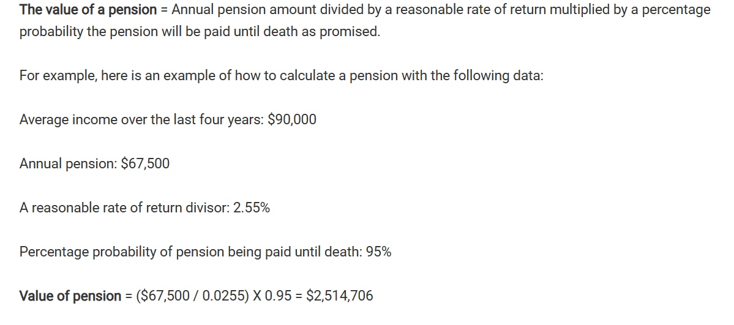
44 | 2067 | 65 | 427,342,720 ₫ | 0.02662 | 0.97338 | 415,966,856.76 ₫
45 | 2068 | 66 | 427,342,720 ₫ | 0.02913 | 0.97087 | 414,894,226.53 ₫
46 | 2069 | 67 | 427,342,720 ₫ | 0.03179 | 0.96821 | 413,757,494.90 ₫
47 | 2070 | 68 | 427,342,720 ₫ | 0.03465 | 0.96535 | 412,535,294.72 ₫
48 | 2071 | 69 | 427,342,720 ₫ | 0.03781 | 0.96219 | 411,184,891.73 ₫
49 | 2072 | 70 | 427,342,720 ₫ | 0.04137 | 0.95863 | 409,663,551.64 ₫
50 | 2073 | 71 | 427,342,720 ₫ | 0.04543 | 0.95457 | 407,928,540.20 ₫
51 | 2074 | 72 | 427,342,720 ₫ | 0.05008 | 0.94992 | 405,941,396.55 ₫
52 | 2075 | 73 | 427,342,720 ₫ | 0.05534 | 0.94466 | 403,693,573.84 ₫
53 | 2076 | 74 | 427,342,720 ₫ | 0.0611 | 0.9389 | 401,232,079.78 ₫
54 | 2077 | 75 | 427,342,720 ₫ | 0.06725 | 0.93275 | 398,603,922.05 ₫
55 | 2078 | 76 | 427,342,720 ₫ | 0.0737 | 0.9263 | 395,847,561.51 ₫
56 | 2079 | 77 | 427,342,720 ₫ | 0.08037 | 0.91963 | 392,997,185.56 ₫
57 | 2080 | 78 | 427,342,720 ₫ | 0.08732 | 0.91268 | 390,027,153.66 ₫
58 | 2081 | 79 | 427,342,720 ₫ | 0.09476 | 0.90524 | 386,847,723.82 ₫
59 | 2082 | 80 | 427,342,720 ₫ | 0.10294 | 0.89706 | 383,352,060.37 ₫
60 | 2083 | 81 | 427,342,720 ₫ | 0.11209 | 0.88791 | 379,441,874.49 ₫
61 | 2084 | 82 | 427,342,720 ₫ | 0.12241 | 0.87759 | 375,031,697.62 ₫
62 | 2085 | 83 | 427,342,720 ₫ | 0.13384 | 0.86616 | 370,147,170.33 ₫
63 | 2086 | 84 | 427,342,720 ₫ | 0.14612 | 0.85388 | 364,899,401.73 ₫

13. Insurance package
 | Insurance package I choose | Insurance value | Death benefit | Annual premium | Duration of premium payments | Total premium paid
https://www.manulife.com.vn/vi/bao-hiem-nhan-tho/bao-hiem-nhan-tho-manulife-moi-nhat/an-tam-vui-song.html | An Tâm Vui Sống (Manulife) | 1,350,000,000 ₫ | 2,700,000,000 ₫ | 44,995,000 ₫ | 10 | 449,950,000 ₫
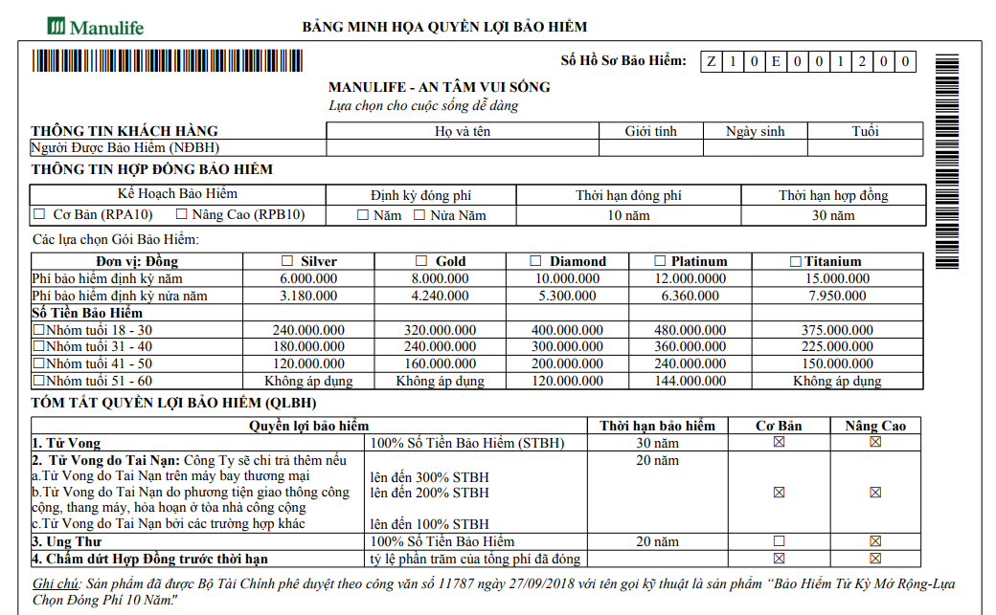

 |  |  |  | Insurance term | 30 year
 |  |  |  | Benefit | 100% death benefit
 |  |  |  | Monthly insurance premium (2 people) | 7,499,167 ₫

15.3. Health risk
HEALTH RISK
Age interval | 22 - 29 | 30 - 34 | 35 - 39 | 40 - 44 | 45 - 49 | 50 - 54 | 55 - 59 | 60 - 64 | 65 - 69 | 70 - 74 | 75 - 79 | 80 - 85

Duration | 8 | 5 | 5 | 5 | 5 | 5 | 5 | 5 | 5 | 5 | 5 | 6
GDP per capita share (health aging) | 3.00% | 3.50% | 3.90% | 4.20% | 5.00% | 4.80% | 5.50% | 7.50% | 10.50% | 15.50% | 15.50% | 14.50% | Ref | 2023 GDP per capita (in USD) | 4272
Health expenditure as per the plan (health aging) | 24,950,189 ₫ | 18,192,846 ₫ | 20,272,028 ₫ | 21,831,415 ₫ | 25,989,780 ₫ | 24,950,189 ₫ | 28,588,758 ₫ | 38,984,670 ₫ | 54,578,538 ₫ | 80,568,318 ₫ | 80,568,318 ₫ | 90,444,434 ₫ | Ref | Exchange rate (VND/USD) | 24,335 ₫
GDP per capita share (Early-onset illness) | 3.00% | 3.50% | 3.90% | 4.20% | 5.00% | 4.80% | 5.50% | 9.00% | 12.50% | 17.50% | 17.50% | 16.50% |  | 2023 GDP per capita (in VND) | 103,959,120 ₫
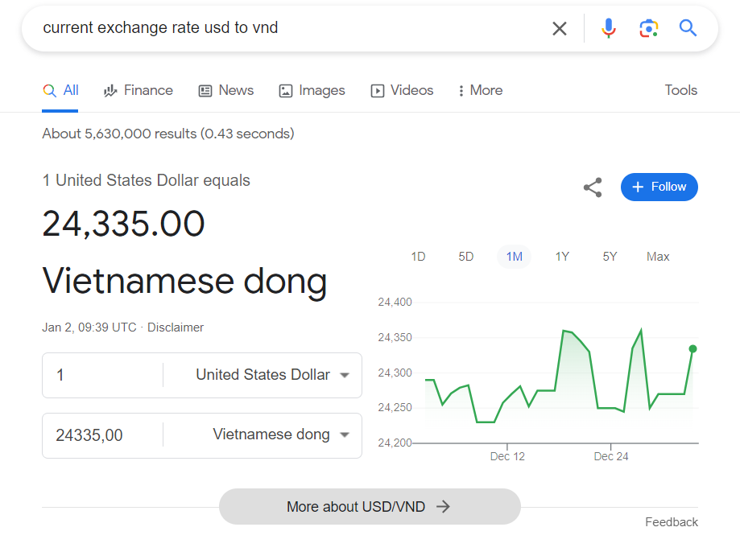
Unforeseen healthcare costs (early-onset illness) | 24,950,189 ₫ | 18,192,846 ₫ | 20,272,028 ₫ | 21,831,415 ₫ | 25,989,780 ₫ | 24,950,189 ₫ | 28,588,758 ₫ | 46,781,604 ₫ | 64,974,450 ₫ | 90,964,230 ₫ | 90,964,230 ₫ | 102,919,529 ₫
Variation in costs | 0 ₫ | 0 ₫ | 0 ₫ | 0 ₫ | 0 ₫ | 0 ₫ | 0 ₫ | 7,796,934 ₫ | 10,395,912 ₫ | 10,395,912 ₫ | 10,395,912 ₫ | 12,475,094 ₫

Facing Health Risk due to Positive Variation in costs | Solutions: Emergency funds

Healthcare spending per capita by age group in 2017
Age interval | 22 - 29 | 30 - 34 | 35 - 39 | 40 - 44 | 45 - 49 | 50 - 54 | 55 - 59 | 60 - 64 | 65 - 69 | 70 - 74 | 75 -79 | 80 - 85
Healthy ageing | 1.50% | 2.00% | 2.50% | 3.00% | 4.00% | 4.00% | 5.00% | 7.00% | 10.00% | 15.00% | 15.00% | 14.00%
Early-onset illness | 1.50% | 2.00% | 2.50% | 3.00% | 4.00% | 4.00% | 5.00% | 8.50% | 12.00% | 17.00% | 17.00% | 16.00%
Anticipated increase in per capita healthcare spending due to population aging
Year | 2023 - 2030 | 2031 - 2035 | 2036 - 2040 | 2041 - 2045 | 2046 - 2050 | 2051 - 2055 | 2056 - 2060 | 2061 - later on | Later on | Later on | Later on | Later on
Growth rate | 1.50% | 1.50% | 1.40% | 1.20% | 1.00% | 0.80% | 0.50% | 0.50% | 0.50% | 0.50% | 0.50% | 0.50%
Projected healthcare expenditure per individual based on age groups
Age interval | 22 - 29 | 30 - 34 | 35 - 39 | 40 - 44 | 45 - 49 | 50 - 54 | 55 - 59 | 60 - 64 | 65 - 69 | 70 - 74 | 75 -79 | 80 - 85
Healthy ageing | 3.00% | 3.50% | 3.90% | 4.20% | 5.00% | 4.80% | 5.50% | 7.50% | 10.50% | 15.50% | 15.50% | 14.50%
Early-onset illness | 3.00% | 3.50% | 3.90% | 4.20% | 5.00% | 4.80% | 5.50% | 9.00% | 12.50% | 17.50% | 17.50% | 16.50%
Data reference

